Distribution Analysis
Retention Rate
 | frequency | norm dis pt
0.05 | 0 | 4.6878357456E-06
0.15 | 0 | 0.00056817980089
0.25 | 2 | 0.033458747311
0.35 | 2 | 0.95729115588
0.45 | 5 | 13.307267866
0.55 | 24 | 89.876103193
0.65 | 80 | 294.92395701
0.75 | 252 | 470.2040365
0.85 | 498 | 364.22783861
0.95 | 368 | 137.07883446
1.05 | 167 | 25.06560274
Retention Rate (Cleaned)
 | frequency | norm dis pt
0.05 | 0 | 4.6878357456E-06
0.15 | 0 | 0.00056817980089
0.25 | 2 | 0.033458747311
0.35 | 2 | 0.95729115588
0.45 | 5 | 13.307267866
0.55 | 24 | 89.876103193
0.65 | 80 | 294.92395701
0.75 | 252 | 470.2040365
0.85 | 498 | 364.22783861
0.95 | 368 | 137.07883446
1.05 | 167 | 25.06560274
Admissions Rate
 | Bin Mid-Points | Frequency | norm dist points
0.05 | 0.05 | 0 | 2.4665120732
0.15 | 0.15 | 29 | 8.8658799962
0.25 | 0.25 | 33 | 25.934458661
0.35 | 0.35 | 32 | 61.737531603
0.45 | 0.45 | 42 | 119.60189791
0.55 | 0.55 | 81 | 188.55741548
0.65 | 0.65 | 100 | 241.91672685
0.75 | 0.75 | 190 | 252.5834637
0.85 | 0.85 | 288 | 214.61529358
0.95 | 0.95 | 306 | 148.39974498
Median Grad Debt
 | frequency | norm dis pt
2500 | 0 | 0.0042442583793
7500 | 1 | 0.7451340397
12500 | 7 | 30.701276906
17500 | 82 | 296.87109898
22500 | 219 | 673.70356882
27500 | 667 | 358.80560779
32500 | 404 | 44.847583014
37500 | 23 | 1.3155528783
42500 | 3 | 0.0090566382733
47500 | 1 | 1.4632387086E-05
Continuous Variables
 |  |  |  |  |  |  |  |  |  |  |  | retention_rate(cleaned) | Count of retention_rate | retention_rate_clean
admission_rate | Count of admission_rate | admission_rate |  | retention_rate | Count of retention_rate | retention_rate |  | median_grad_debt | Count of median_grad_debt | median_grad_debt |  | 0.1-0.2 | 1 | Mean | 0.76461980057
0-0.1 | 29 | Mean | 0.72094136461 | 0-0.1 | 3 | Mean | 0.76298948117 | 2500-4999 | 1 | Mean | 22826.806681 | 0.2-0.3 | 3 | Median | 0.7712
0.1-0.2 | 33 | Median | 0.7696 | 0.1-0.2 | 1 | Median | 0.7711 | 5000-7499 | 1 | Median | 23373 | 0.3-0.4 | 3 | Standard Deviation | 0.1177011332
0.2-0.3 | 32 | Standard Deviation | 0.22030342352 | 0.2-0.3 | 3 | Standard Deviation | 0.12275503462 | 7500-9999 | 5 | Standard Deviation | 4152.987771 | 0.4-0.5 | 19 | Kurtosis | 1.3463788926
0.3-0.4 | 42 | Kurtosis | 0.91322783072 | 0.3-0.4 | 3 | Kurtosis | 3.8329619693 | 10000-12499 | 22 | Kurtosis | 1.3093608658 | 0.5-0.6 | 84 | Skewness | -0.66069795423
0.4-0.5 | 80 | Skewness | -1.152223163 | 0.4-0.5 | 19 | Skewness | -1.0576442718 | 12500-14999 | 46 | Skewness | -0.70876900259 | 0.6-0.7 | 254
0.5-0.6 | 101 |  |  | 0.5-0.6 | 84 |  |  | 15000-17499 | 63 |  |  | 0.7-0.8 | 499 | Left skewed. The negative skewness (-0.66) confirms this leftward pull, while the kurtosis of 1.35 suggests a distribution that's somewhat more peaked than normal, with fewer extreme outliers than a truly heavy-tailed distribution would have. the standard deviation of about 0.12 shows there's still meaningful spread in retention rates across schools
0.6-0.7 | 190 | Admission Rate does not appear to be normal. It appears heavily skewed left. Normal assumptions not valid. |  | 0.6-0.7 | 254 | Left skewed, most schools cluster around .7-.8 with a long tail to the left. What's interesting is that 3 schools have a retention of 0.0, so we will look into this further as they may represent possible missing values |  | 17500-19999 | 156 | Moderately left skewed, with the majority of the data clustered towards the middle. Sharp dropoff after $27,500. Normal assumptions not valid. |  | 0.8-0.9 | 368
0.7-0.8 | 288 |  |  | 0.7-0.8 | 499 |  |  | 20000-22499 | 277 |  |  | 0.9-1 | 173
0.8-0.9 | 306 |  |  | 0.8-0.9 | 368 |  |  | 22500-24999 | 281 |  |  | Grand Total | 1404
0.9-1 | 306 |  |  | 0.9-1 | 173 |  |  | 25000-27499 | 505
Grand Total | 1407 |  |  | Grand Total | 1407 |  |  | 27500-29999 | 22
% Pell
 | frequency | norm dis pt
0.05 | 0 | 48.754611848
0.15 | 7 | 168.28886098
0.25 | 234 | 341.18132984
0.35 | 380 | 406.26121504
0.45 | 391 | 284.12908144
0.55 | 232 | 116.71219325
0.65 | 106 | 28.158336348
0.75 | 33 | 3.9901385216
0.85 | 21 | 0.33209258016
0.95 | 3 | 0.016233814935
 |  |  |  |  |  |  |  | 30000-32499 | 20
Undergrad Enrollment
 | frequency
12500 | 0
37500 | 1344
62500 | 57
87500 | 5
112500 | 0
137500 | 0
162500 | 0
187500 | 1
212500 | 0
undergrad_enrollment | Count of undergrad_enrollment | undergrad_enrollment |  | pct_pell | Count of pct_pell | pct_pell |  | 32500-34999 | 4
0-1999 | 675 | Mean | 5473.1918977 | 0-0.1 | 7 | Mean | 0.33280696517 | 35000-37499 | 2
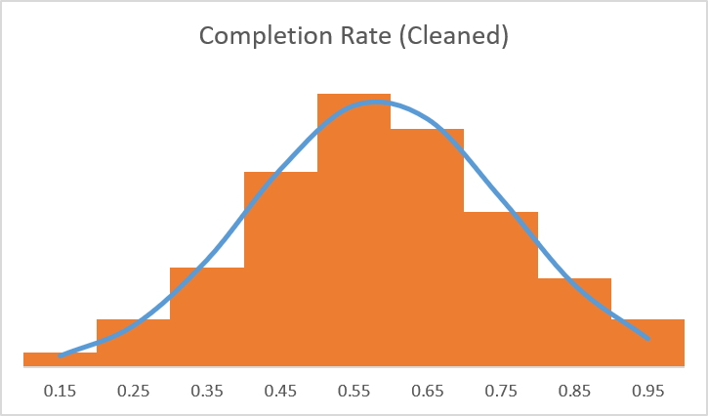
2000-3999 | 273 | Median | 2135 | 0.1-0.2 | 234 | Median | 0.3188 | 37500-39999 | 1
4000-5999 | 118 | Standard Deviation | 9263.1332687 | 0.2-0.3 | 378 | Standard Deviation | 0.13708280817 | 40000-42499 | 1 |  |  | completion_rate | Count of completion_rate | completion_rate_clean
6000-7999 | 90 | Kurtosis | 66.653040495 | 0.3-0.4 | 392 | Kurtosis | 0.45145878394 | Grand Total | 1407 |  |  | 0.1-0.2 | 18 | Mean | 0.5841435806
Average Faculty Salary
 | frequency | norm dis pt
1000 | 0 | 7.0638524024
3000 | 1 | 37.627099066
5000 | 5 | 127.38376008
7000 | 98 | 274.08268366
9000 | 393 | 374.80324175
11000 | 446 | 325.74614564
13000 | 240 | 179.93242762
15000 | 130 | 63.167516114
17000 | 48 | 14.093938329
19000 | 23 | 1.9985965824
21000 | 11 | 0.18012422311
23000 | 5 | 0.010317472205
25000 | 3 | 0.00037560269614
27000 | 4 | 8.6903706773E-06
8000-9999 | 45 | Skewness | 5.7121479101 | 0.4-0.5 | 232 | Skewness | 0.70224644667 |  |  |  |  | 0.2-0.3 | 58 | Median | 0.5744
10000-11999 | 34 |  |  | 0.5-0.6 | 107 |  |  | avg_faculty_salary | Count of avg_faculty_salary | avg_faculty_salary |  | 0.3-0.4 | 120 | Standard Deviation | 0.17371498157
12000-13999 | 27 | Undergrad Enrollment does not appear normally distributed. It appears heavily skewed right with extreme kurtosis. Normal assumptions invalid |  | 0.6-0.7 | 33 | Moderate right skew, otherwise, looks fairly normal. Normal assumptions may be acceptable. |  | 0-1999 | 1 | Mean | 9380.9971571 | 0.4-0.5 | 236 | Kurtosis | -0.2944792128
14000-15999 | 20 |  |  | 0.7-0.8 | 21 |  |  | 2000-3999 | 5 | Median | 8832 | 0.5-0.6 | 330 | Skewness | -0.0063310154379
16000-17999 | 15 |  |  | 0.8-0.9 | 3 |  |  | 4000-5999 | 98 | Standard Deviation | 2970.7019559 | 0.6-0.7 | 287
18000-20000 | 16 |  |  | Grand Total | 1407 |  |  | 6000-7999 | 393 | Kurtosis | 3.4956889273 | 0.7-0.8 | 187 | Normally distributed. Assumptions for normality appear valid. (Used on next page)
>20000 | 94 |  |  |  |  |  |  | 8000-9999 | 446 | Skewness | 1.3817054536 | 0.8-0.9 | 108
Grand Total | 1407 |  |  |  |  |  |  | 10000-11999 | 240 |  |  | 0.9-1 | 58
Median Earnings 10YR
 | frequency | norm dis pt
5000 | 0 | 0.86314624676
15000 | 0 | 6.8298963333
25000 | 0 | 35.134441778
35000 | 5 | 117.50090842
45000 | 79 | 255.46923715
55000 | 366 | 361.09811274
65000 | 471 | 331.81884445
75000 | 248 | 198.22850017
85000 | 120 | 76.987526043
95000 | 55 | 19.438549439
105000 | 35 | 3.1907778125
115000 | 15 | 0.34050108016
125000 | 4 | 0.023622706002
135000 | 5 | 0.0010654424996
145000 | 3 | 3.1240617422E-05
155000 | 1 | 5.9552283779E-07
 |  |  |  | median_earnings_10yr | Count of median_earnings_10yr | median_earnings_10yr |  | 12000-13999 | 129 | Right skewed, with heavy upper tail. Normal assumptions are not valid. |  | Grand Total | 1402
Out-of-State Tuition
 | frequency |  | norm dis pt
2500 | 0 | Midpoint | 21.798620678
7500 | 1 | 2500 | 40.30687996
12500 | 22 | 7500 | 67.106759958
17500 | 71 | 12500 | 100.59821636
22500 | 191 | 17500 | 135.78481705
27500 | 190 | 22500 | 165.02474235
32500 | 159 | 27500 | 180.58589932
37500 | 148 | 32500 | 177.93260224
42500 | 164 | 37500 | 157.85710917
47500 | 144 | 42500 | 126.09843058
52500 | 74 | 47500 | 90.696836356
57500 | 73 | 52500 | 58.736966932
62500 | 52 | 57500 | 34.250570972
67500 | 39 | 62500 | 17.982954108
72500 | 64 | 67500 | 8.5014142222
77500 | 15 | 72500 | 3.6187471539
 |  | 77500
 |  |  |  | 25000-34999 | 30 | Mean | 58036.253731 | 14000-15999 | 49
tuition_out_of_state | Count of tuition_out_of_state | tuition_out_of_state |  | 35000-44999 | 191 | Median | 55356 | 16000-17999 | 23
0-9999 | 23 | Mean | 34294.570718 | 45000-54999 | 466 | Standard Deviation | 15239.083034 | 18000-19999 | 11
10000-19999 | 262 | Median | 32520 | 55000-64999 | 394 | Kurtosis | 3.5435503189 | 20000-21999 | 5
20000-29999 | 348 | Standard Deviation | 15436.741367 | 65000-74999 | 154 | Skewness | 1.4215935697 | 22000-23999 | 3
30000-39999 | 313 | Kurtosis | -0.47909678179 | 75000-84999 | 90 |  |  | 24000-26000 | 4
40000-49999 | 218 | Skewness | 0.55348480675 | 85000-94999 | 49 | Strongly right skewed, with long upper tail. Most likely not normal. |  | Grand Total | 1407
50000-59999 | 125 |  |  | 95000-104999 | 17
Student-Faculty Ratio
 | frequency | norm dis pt
2.5 | 0 | 25.160185059
7.5 | 17 | 239.68834731
12.5 | 313 | 619.63883908
17.5 | 653 | 434.69932244
22.5 | 346 | 82.755699868
27.5 | 68 | 4.2752891185
32.5 | 7 | 0.059936542132
37.5 | 1 | 0.00022802186812
42.5 | 0 | 2.354073052E-07
47.5 | 1 | 6.595109235E-11
52.5 | 0 | 5.0139808566E-15
57.5 | 0 | 1.0344320568E-19
62.5 | 0 | 5.7913510489E-25
67.5 | 1 | 8.798657897E-31
60000-69999 | 103 | Roughly symmetric. Right skew and negative kurtosis, giving it a flatter shape than normal. Normal assumptions may be acceptable |  | 105000-114999 | 7
70000-79999 | 15 |  |  | 115000-124999 | 3 |  |  | student_faculty_ratio | Count of student_faculty_ratio | student_faculty_ratio
Grand Total | 1407 |  |  | 125000-134999 | 3 |  |  | 0-4 | 7 | Mean | 13.641080313
 |  |  |  | 135000-145000 | 3 |  |  | 5-9 | 210 | Median | 13
 |  |  |  | Grand Total | 1407 |  |  | 10-14 | 658 | Standard Deviation | 4.378089891
 |  |  |  |  |  |  |  | 15-19 | 417 | Kurtosis | 10.870173358
completion_rate | Count of completion_rate | completion_rate |  |  |  |  |  | 20-24 | 94 | Skewness | 1.517971377
Completion Rate
 | frequency | norm dis pt
0.05 | 5 | 3.4252086403
0.15 | 0 | 15.996381373
0.25 | 20 | 54.263756548
0.35 | 56 | 133.7061392
0.45 | 123 | 239.30194515
0.55 | 245 | 311.09604935
0.65 | 319 | 293.7623612
0.75 | 288 | 201.48893054
0.85 | 185 | 100.38287278
0.95 | 108 | 36.326322641
1.05 | 53 | 9.5485326765
0-0.1 | 5 | Mean | 0.58206773276 |  |  |  |  | 25-29 | 16
0.1-0.2 | 18 | Median | 0.574 |  |  |  |  | 30-34 | 3 | Right skew with very high kurtosis from a few schools with abnormally large ratios. Normal assumptions not valid.
0.2-0.3 | 58 | Standard Deviation | 0.17685791907 |  |  |  |  | 40-44 | 1
0.3-0.4 | 120 | Kurtosis | -0.071633645922 |  |  |  |  | 60-65 | 1
0.4-0.5 | 236 | Skewness | -0.099032265717 |  |  |  |  | Grand Total | 1407
0.5-0.6 | 330
0.6-0.7 | 287 | Completion Rate appears to be approximately normal. Normal assumptions most likely valid.
0.7-0.8 | 187
0.8-0.9 | 108
0.9-1 | 58
Grand Total | 1407

AI Disclosure
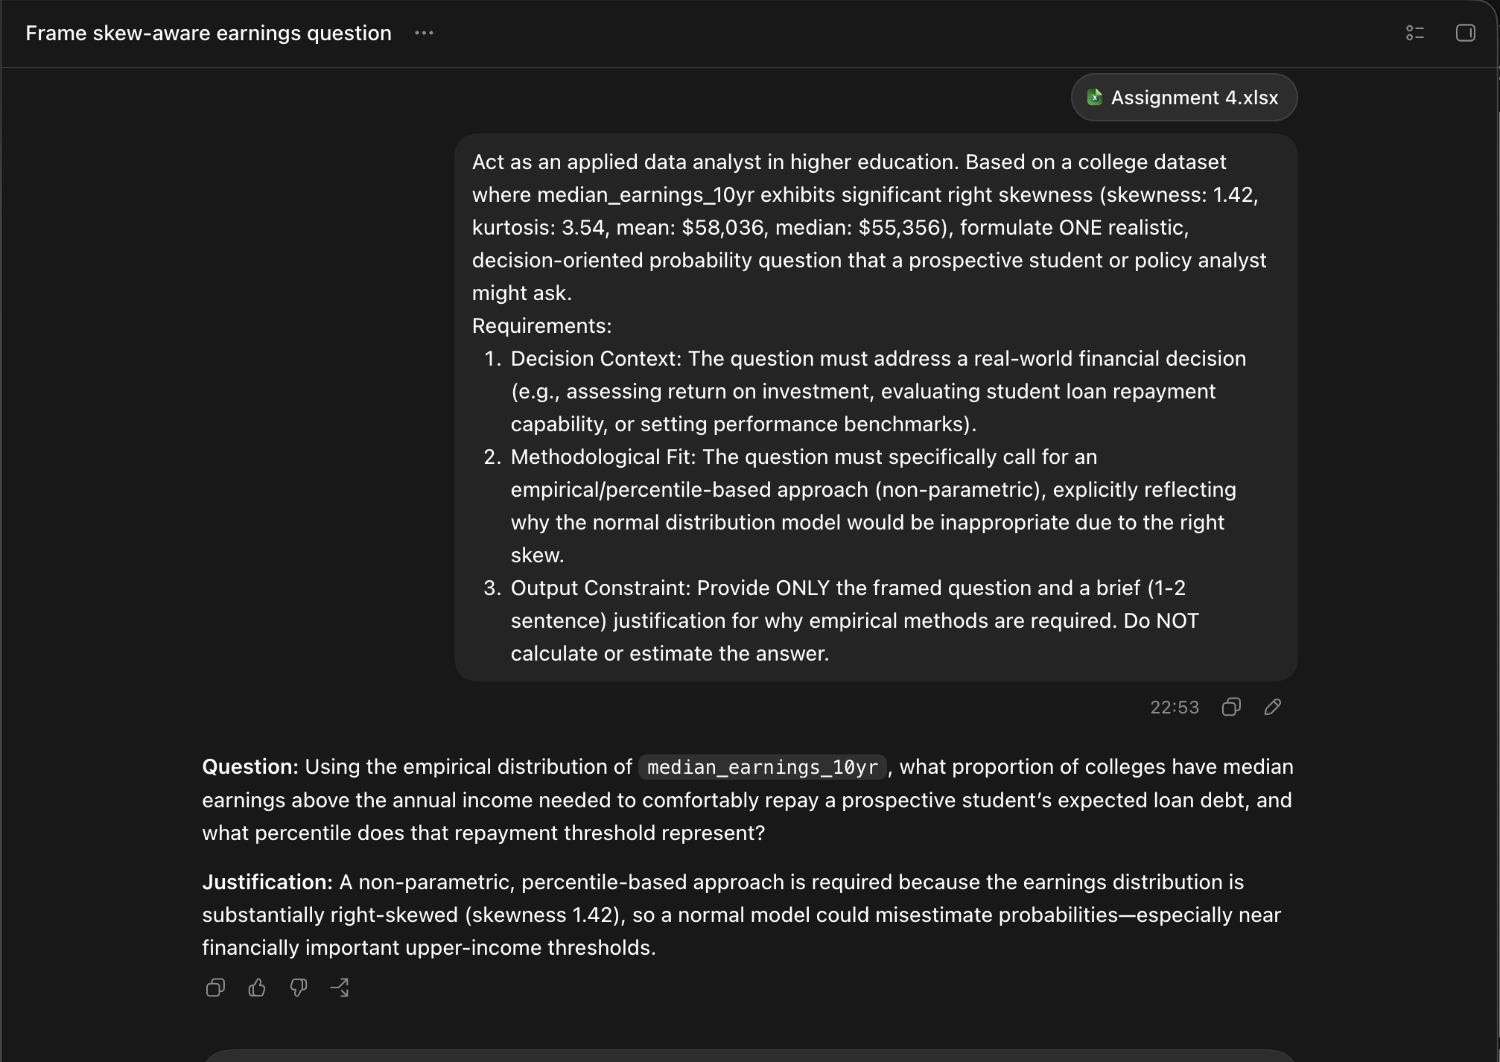
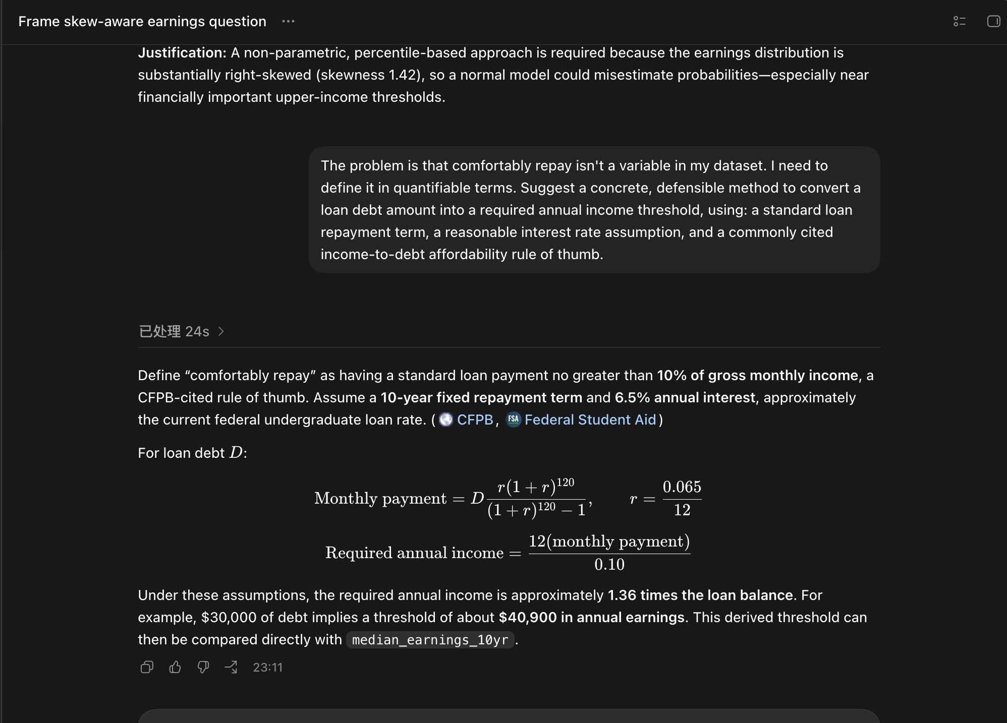
GenAI Assistance Disclosure | Additional Scenario (Bonus)
Tool Used: Claude (Anthropic), conversation created July 24, 2026. Full transcript submitted as a separate file. (Assignment4_AI_Log.pdf) | Prompt 1 | Tool and date: OpenAI Codex (GPT-5), July 25, 2026. Promote: Act as an applied data analyst in higher education. Based on a college dataset where median_earnings_10yr exhibits significant right skewness (skewness: 1.42, kurtosis: 3.54, mean: $58,036, median: $55,356), formulate ONE realistic, decision-oriented probability question that a prospective student or policy analyst might ask. Requirements: 1. Decision Context: The question must address a real-world financial decision (e.g., assessing return on investment, evaluating student loan repayment capability, or setting performance benchmarks). 2. Methodological Fit: The question must specifically call for an empirical/percentile-based approach (non-parametric), explicitly reflecting why the normal distribution model would be inappropriate due to the right skew. 3. Output Constraint: Provide ONLY the framed question and a brief (1-2 sentence) justification for why empirical methods are required. Do NOT calculate or estimate the answer.

Citation: Claude was used as a collaborator for brainstorming and refining the probability scenario questions, and for cross-checking interpretations (see AI interactions log). All calculations, method choices, and final answers were produced and verified independently in Excel.

Description of use: Claude was used to help structure the assignment into steps, to reshape one probability question that was initially too complex (a conditional two-variable question) into a valid single-variable one, and to sanity-check that my normal-model answers agreed with empirical calculations. I generated all three questions myself.

 | Gen AI question | Question: Using the empirical distribution of median_earnings_10yr, what proportion of colleges have median earnings above the annual income needed to comfortably repay a prospective student’s expected loan debt, and what percentile does that repayment threshold represent? Justification: A non-parametric, percentile-based approach is required because the earnings distribution is substantially right-skewed (skewness 1.42), so a normal model could misestimate probabilities—especially near financially important upper-income thresholds.
Refinement and limitations: I refined the tool's output by pushing back when it made claims I couldn't verify. At one point it stated the rubric required a certain interpretation depth, and when I asked where, it acknowledged it had overstated the requirement. I addressed this by checking claims against the actual rubric and guidelines rather than accepting them. Every number in this workbook was computed by me in Excel and validated against the raw data. The tool was used for guidance and checking, not to produce the analysis. |  |  |  | OpenAI Codex was used for brainstorming this real-world probability question involving median_earnings_10yr and student loan repayment capacity (see AI interactions log). The question it gave us was solid, but it didn't actually tell us what 'comfortably repay' means in real numbers — so we asked it a follow-up to help us figure that out. It came back with a pretty reasonable answer: use the CFPB rule that your loan payment shouldn't be more than 10% of your gross monthly income, assume a standard 10-year repayment plan, and use 6.5% as the interest rate (close to the current federal undergrad loan rate). We took that and plugged in our own numbers from the dataset's median_grad_debt ($23,373), used PMT in Excel to get the monthly payment ($265.40), then backed into the income threshold ($31,847.48) from there. After that we just used COUNTIF and PERCENTRANK.INC on median_earnings_10yr to see how many schools cleared that bar (99.43%) and where the threshold sits in the distribution (about the 0.5th percentile). So basically Codex helped us frame the question and the method, but all the actual number-crunching and double-checking was done by us in Excel. | https://files.consumerfinance.gov/f/documents/cfpb_building_block_activities_understanding-how-much-student-debt-afford_guide.pdf
 |  |  |  |  | https://studentaid.gov/sites/default/files/repaying-your-loans.pdf

 | Prompt 2 | The problem is that comfortably repay isn't a variable in my dataset. I need to define it in quantifiable terms. Suggest a concrete, defensible method to convert a loan debt amount into a required annual income threshold, using: a standard loan repayment term, a reasonable interest rate assumption, and a commonly cited income-to-debt affordability rule of thumb.
Conversation Log: Attached in submission as pdf

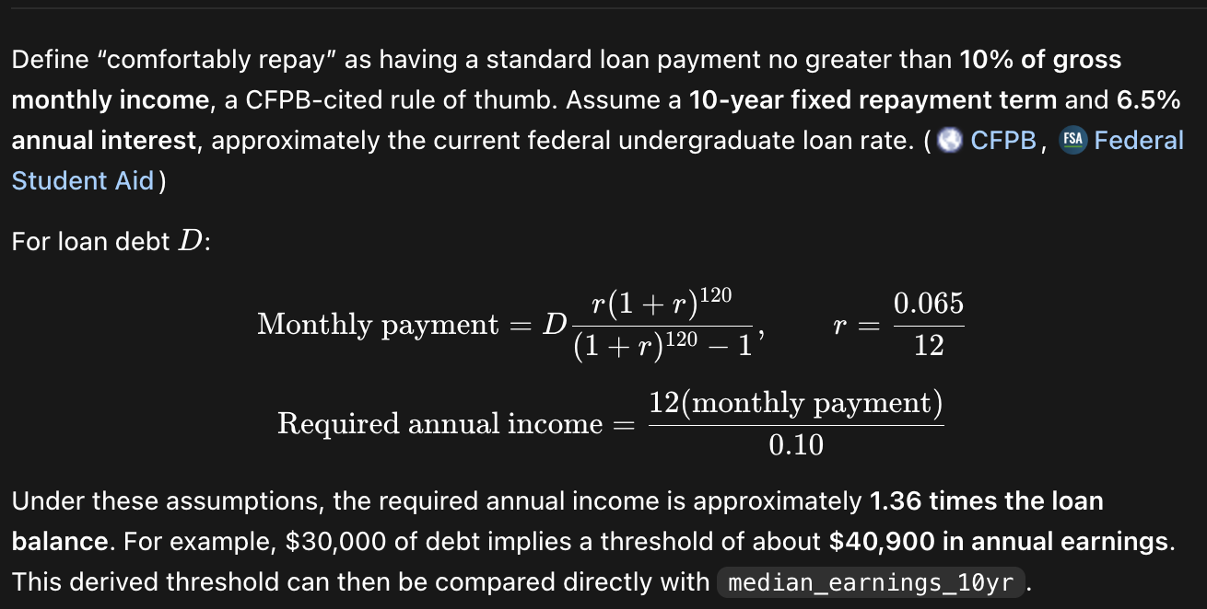
 | Gen AI Response | Define “comfortably repay” as having a standard loan payment no greater than 10% of gross monthly income, a CFPB-cited rule of thumb. Assume a 10-year fixed repayment term and 6.5% annual interest, approximately the current federal undergraduate loan rate.

 | Problem Statement | What proportion of colleges have median_earnings_10yr above the income needed to comfortably repay the expected loan debt, and what percentile does that threshold represent?

 | Assumptions section | Loan amount= | 23373
 |  | Annual interest rate= | 6.50%
 |  | Repayment term= | 120
 |  | Affordability rule of thumb= | 10%

 | Calculation section | Monthly payment= | $265.40
 |  | Required annual income= | $31,847.48
 | Method used | Method Used: Empirical (percentile-based) — median_earnings_10yr is right-skewed (skewness 1.42), so normal-distribution assumptions were not used.

 | Results section | Proportion above threshold= | 0.99431414357
 |  | Percentile rank of threshold= | 0.005

 | Interpretation | Note that this threshold sits very low in the earnings distribution, meaning most schools' graduates earn well above what's needed to comfortably service the current median debt load.

